Sheet3
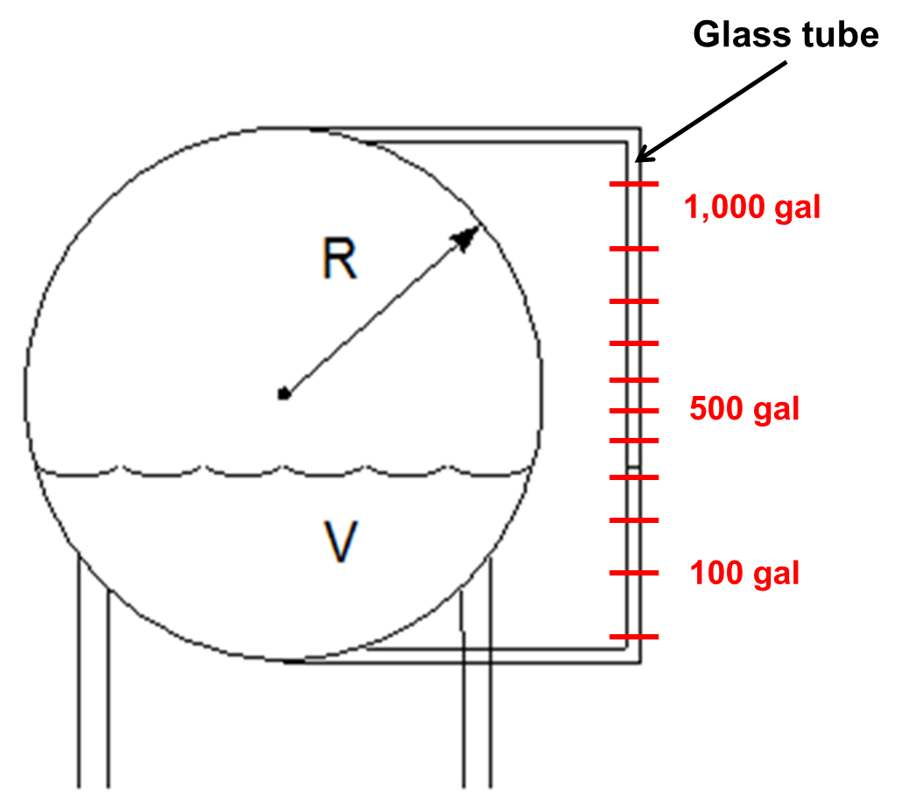
Example #3

What h (in ft) corresponds to the
given volume (in gal)?
$$V=\frac{πh^{2}\left(3R−h\right)}{3}$$
Rad: | 1 | m
 | 3.28 | ft
Vol (target): | 400 | gal
 | 53.5 | ft^3

h (ft): | 2.668 | ft, initial guess
Vol: | 53.5 | ft^3

Adjusted to 0: | 0.0
$$V−\frac{πh^{2}\left(3R−h\right)}{3}=0$$

